Order Form


 | BALLISTIC SUIT-ORDER FORM

Order Date:
Name:
Address:
City: |  |  | State:
Postcode: |  | Country:
Phone:
Email:

TAKE CARE AND TIME TO MEASURE ACCURATELY:

To make sure your custom fit is perfect. Please follow the instructions below.
1. To make sure your custom fit is perfect. Please follow the instructions below.
2. Make sure two people do the measuring, have someone else take the measurements.
3. Make sure to wear your Race Suit when taking the measurements.
4. Please supply accurate measurements, do not add or subtract any allowances.
5. If not sure, please call DTG Race Products on 0478282010 or Email to
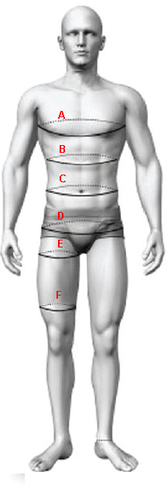
enquiries@dtgraceproducts.com.au
6. Once completed scan and email to
enquiries@dtgraceproducts.com.au

Chest circumference
Circumference midway between chest and waist
Waist circumference (NOT pant size)
Hip circumference (measure around largest part of buttocks)
Thigh circumference 2” below crotch
Thigh circumference 2” above knee cap

Height |  | MALE
Weight |  | FEMALE

Logo Placement Guide
 | BALLASTIC SUIT Logo Placement Guide

(1). Choose position to add logo/embroidery of the suit.(2) Allocate position to logo supplied.(3) Supply all logos in clear Jpeg or digital format with positions allocated.(4) Scan and send with order form to enquiries@dtgraceproducts.com.au

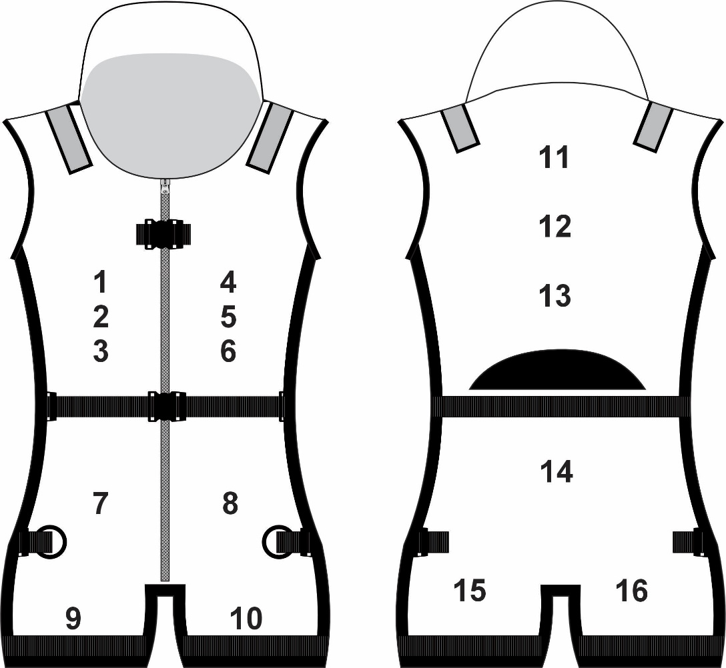
Name | Phone
 |  | Pos | Logo
 |  | 1
 |  | 2
 |  | 3
 |  | 4
 |  | 5
 |  | 6
 |  | 7
 |  | 8
 |  | 9
 |  | 10
 |  | 11
 |  | 12
 |  | 13
 |  | 14
 |  | 15
 |  | 16
 |  | 17
 |  | 18
 |  | 19
 |  | 20
 |  | 21

Color Guide
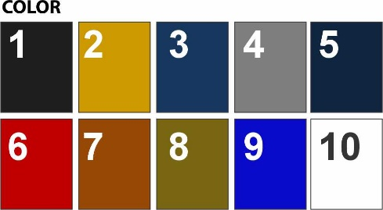
 | BALLASTIC SUIT Color Guide

 | (1). Choose color) below for each section of the suit. (2). Choose suit trim colors.
 | (3). Scan and send with order form to enquiries@dtgraceproducts.com.au

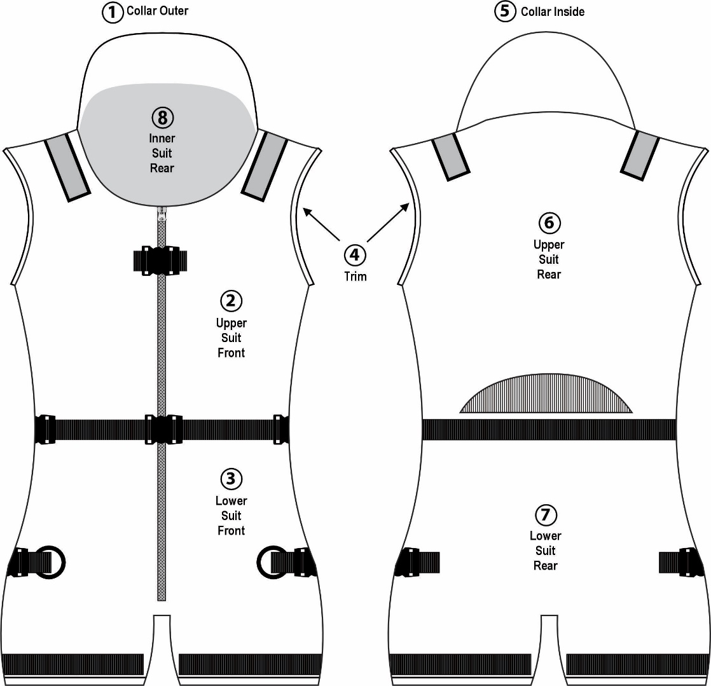
Name | Phone
 |  | Area | Colour
 |  | 1
 |  | 2
 |  | 3
 |  | 4
 |  | 5
 |  | 6
 |  | 7
 |  | 8
 |  | 9
 |  | 10

 |  | Notes

